D1
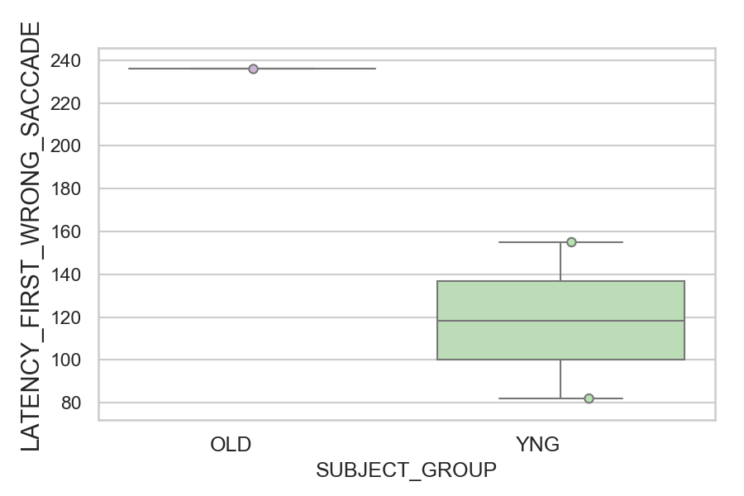
Latency of the first wrong saccade after target onset (ms)(mean latency of all trials per subject)
SUBJECT_NAME | SUBJECT_GROUP | SUBJECT_AGE | VALUE
CP001CTA | OLD | 65 | 236
AW002AF | YNG | 19 | 155
AW001CG | YNG | 19 | 82

D1 (types)
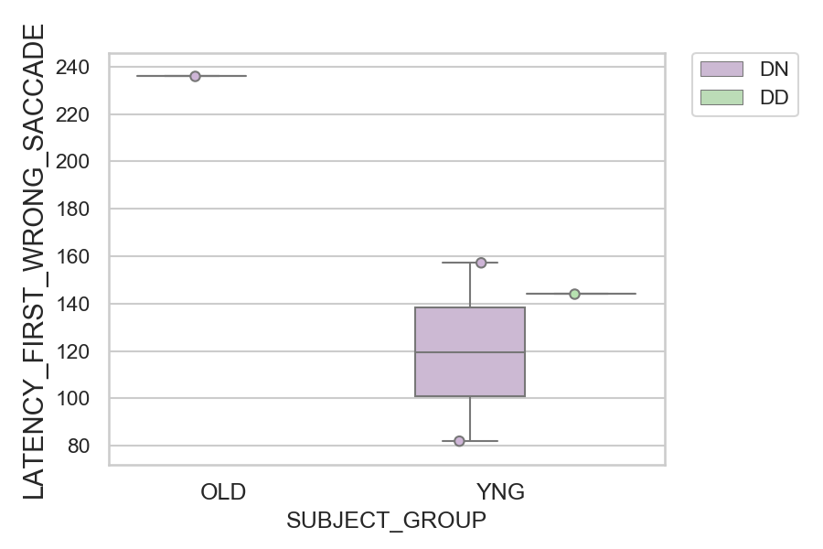
Latency of the first wrong saccade after target onset (ms)(mean latency of all trials per subject)
SUBJECT_NAME | SUBJECT_GROUP | CONDITION_APPEARANCE | SUBJECT_AGE | VALUE
CP001CTA | OLD | DN | 65 | 236
AW002AF | YNG | DN | 19 | 157.2
AW002AF | YNG | DD | 19 | 144
AW001CG | YNG | DN | 19 | 82
AW001CG | YNG | DD | 19
CP001CTA | OLD | DD | 65

